Instructions
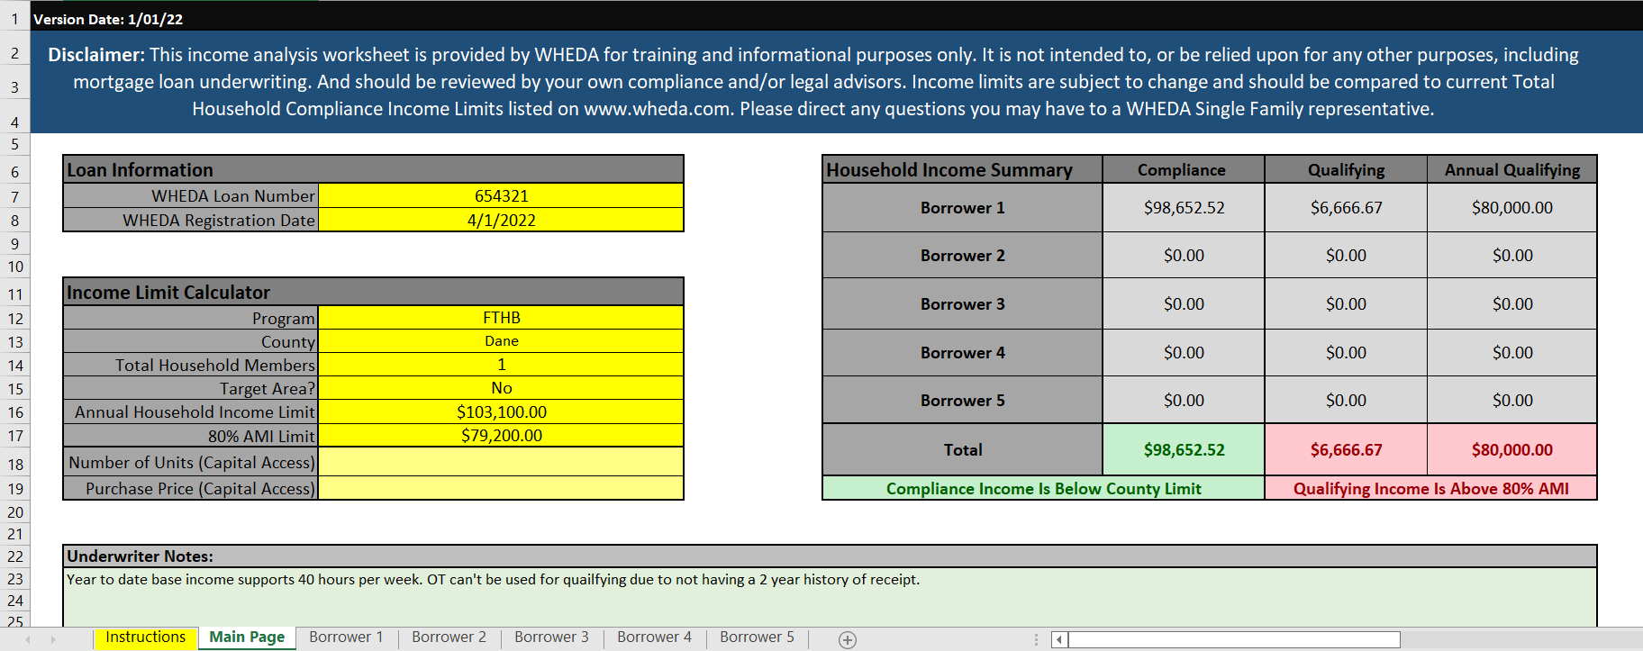
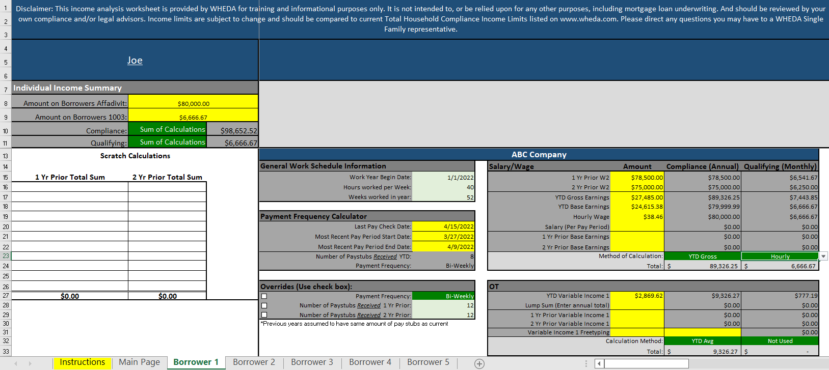
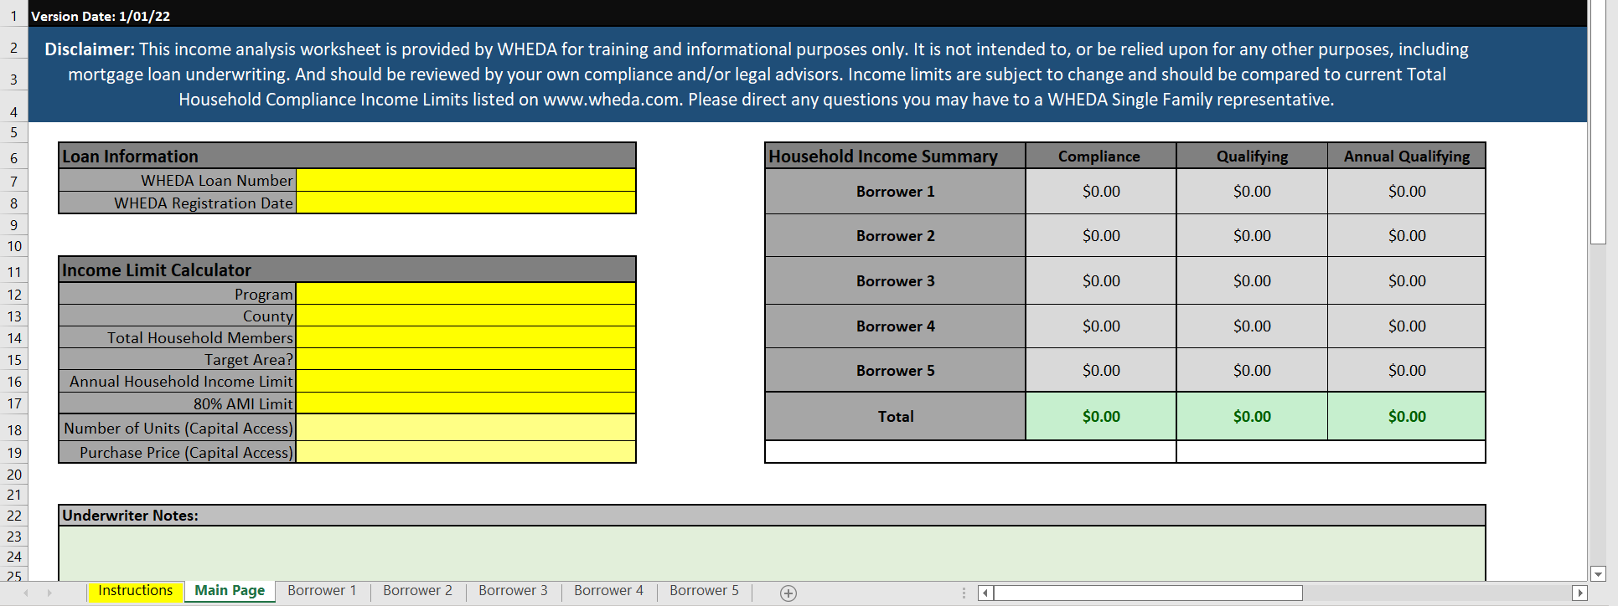

Yellow fields are required to complete if they apply.
1. Enter WHEDA loan number if registered or borrower name on line 7
2. Enter date registered with WHEDA on line 8
3. Enter loan program on line 12:
· First Time Home Buyer
· Conventional & FHA
· Capital Access
· MCC
4. Enter subject property's county on line 13
5. Enter the number of all the people that will be occupying the property on line 14
This must be accurate to determine the correct income limit.
6. Enter Yes or No if property is in a Target Area on line 15 (See list and Map)
Important as this will affect income limit.
7. Enter income limit based on program, county, and household size.
8. Enter the 80% AMI limit for the county on line 17
9. Enter number of units(s) for Capital Access eligibility on line 18
10. Enter Purchase price for Capital Access eligibility on line 19
Click on Borrower 1 tab on bottom of the page.

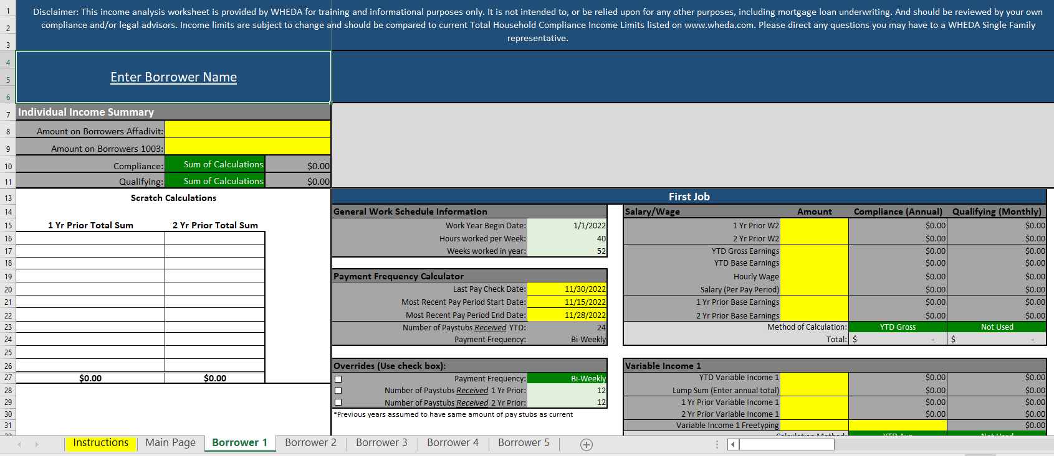

1. Enter borrower name
2. Enter income borrower certified on WHEDA Form 2 on line 8.
3. Enter income from application on line 9.
4. Enter all W2 income from prior year on line 16. (1 Yr. Prior Total Sum)
5. Enter all W2 income from the 2nd year on line 16 (2 Yr. Prior Total Sum)
6. Enter Company name of primary employment in First Job box
7. Enter W2 income (box 5) for the most recent 2 years. If the W2’s include the true gross income this amount must be used.
8. Hours worked per week: This is defaulted to 40 hours per week but may be adjusted if the hours scheduled is less than 40 hours.
9. Enter the pay date and start and end of the pay period.
10. Enter YTD gross income.
This will project out the current years income and is normally the worse case figure.
11. Enter Base income only, do not include OT, commission, bonus, or other variable income.
· This figure maybe used to support qualifying income. Does it support the hourly rate at 40 hours or scheduled hours?
12. Enter Hourly wage.
13. Enter Pay period Salary
14. Enter in the prior 2 years base income if breakdown from a VOE is available.
15. Select Method of Calculation from dropdown.
· For Compliance purposes use the highest amount: prior year W2 or gross YTD projected. Note if hourly plus variable income is higher, then hourly would need to be selected and the appropriate variable income should be added. Please see WHEDA guide for additional compliance income guidance
16. If there is variable income (OT, commission Bonus) Identify type in Variable Income 1
Enter YTD earnings and prior 2 years.
17. If there is an additional variable income, identify type in Variable Income 2 and repeat step 27.
18. Additional Income: Other sources of income can be entered here, i.e. Social security, Pension, Child support, Alimony, Self Employment income from SAM worksheet. Enter the annual amount.
If there are additional jobs repeat the above step on the second job tab.
If there are additional borrowers click on the additional borrower tab and repeat.
19. In Underwriter Notes on the Main Page tab, comment on your reasoning for your selected income.
20. The below example shows the borrower meets FTHB income limit but the qualifying income exceed the 80% AMI so the pricing adjustments will apply.

